Brass Nozzle
Brass Misting Nozzles

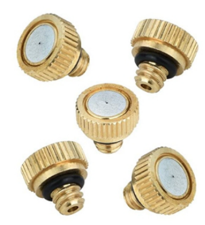
 | Type | Brass Fixed Mist Nozzle
 | Pressure | 20-70 kg / sq. cm
 | Flow Rate | 80-145 ml/min
 | Nozzle Diameter | 0.1 mm / 0.5 mm

ESC
Spray Pump ESC

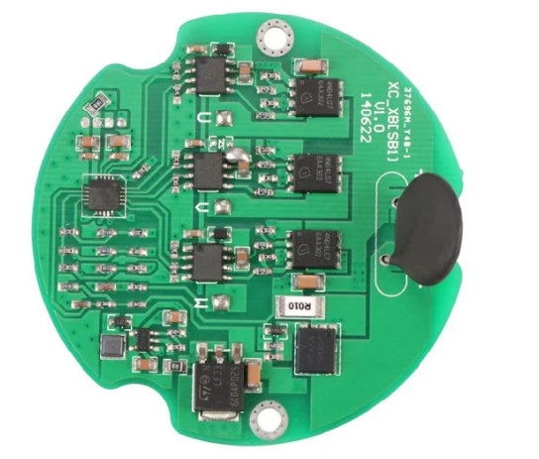
 | Voltage | 12V
 | Current Capacity | 5.5A

